Sheet1
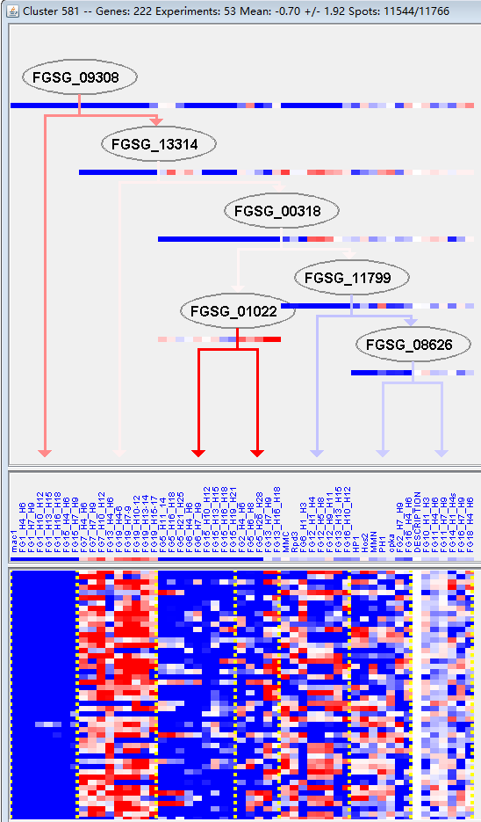
k | Filter | FUNCTIONAL CATEGORY | abs SET | rel SET | genes SET | abs GENOME | rel GENOME | rel SET/rel GENOME | P-VALUE | Bonferroni_corr | FDR
01.01.05 metabolism of urea cycle, creatine and polyamines | 5 | 2.5 | FGSG_02063 FGSG_02296 FGSG_03647 FGSG_05128 FGSG_05446 | 45 | 0.32 | 7.8125 | 0.000460042
01 METABOLISM | 69 | 34.5 | FGSG_00051 FGSG_00321 FGSG_00555 FGSG_00578 FGSG_01250 FGSG_01329 FGSG_01596 FGSG_01767 FGSG_01826 FGSG_02000 FGSG_02014 FGSG_02015 FGSG_02063 FGSG_02067 FGSG_02147 FGSG_02228 FGSG_02279 FGSG_02288 FGSG_02296 FGSG_02407 FGSG_02486 FGSG_11528 FGSG_03858 FGSG_12368 FGSG_12369 FGSG_03838 FGSG_03755 FGSG_03747 FGSG_03710 FGSG_03647 FGSG_03638 FGSG_03629 FGSG_03466 FGSG_03278 FGSG_03269 FGSG_03238 FGSG_03127 FGSG_03114 FGSG_12573 FGSG_02783 FGSG_05042 FGSG_05128 FGSG_12704 FGSG_05330 FGSG_05371 FGSG_05446 FGSG_05514 FGSG_05690 FGSG_05847 FGSG_12857 FGSG_07017 FGSG_07477 FGSG_07573 FGSG_08795 FGSG_08684 FGSG_08310 FGSG_08979 FGSG_09048 FGSG_09049 FGSG_09226 FGSG_09266 FGSG_13552 FGSG_09918 FGSG_10025 FGSG_10538 FGSG_11054 FGSG_11029 FGSG_13881 FGSG_11440 | 3402 | 24.6 | 1.402439024 | 0.001010548
01.01.06.06.01 biosynthesis of lysine | 4 | 2 | FGSG_02063 FGSG_03647 FGSG_05128 FGSG_11054 | 32 | 0.23 | 8.695652174 | 0.001112521
01.01.06.06.01.01 diaminopimelic acid pathway | 3 | 1.5 | FGSG_02063 FGSG_03647 FGSG_05128 | 15 | 0.1 | 15 | 0.001193348
01.05.02.07 sugar, glucoside, polyol and carboxylate catabolism | 10 | 5 | FGSG_00321 FGSG_00578 FGSG_01250 FGSG_03858 FGSG_03755 FGSG_03269 FGSG_03127 FGSG_05330 FGSG_10025 FGSG_13881 | 224 | 1.62 | 3.086419753 | 0.001575807
32.05.03 defense related proteins | 6 | 3 | FGSG_01767 FGSG_02015 FGSG_02296 FGSG_03747 FGSG_05660 FGSG_11195 | 92 | 0.66 | 4.545454545 | 0.002161022
01.01.06 metabolism of the aspartate family | 7 | 3.5 | FGSG_01329 FGSG_02063 FGSG_03647 FGSG_05128 FGSG_08310 FGSG_09049 FGSG_11054 | 137 | 0.99 | 3.535353535 | 0.003772267
01.01 amino acid metabolism | 18 | 9 | FGSG_01329 FGSG_01826 FGSG_02063 FGSG_02296 FGSG_02407 FGSG_11528 FGSG_12369 FGSG_03747 FGSG_03647 FGSG_03638 FGSG_03466 FGSG_05128 FGSG_05371 FGSG_05446 FGSG_08310 FGSG_09048 FGSG_09049 FGSG_11054 | 649 | 4.69 | 1.918976546 | 0.006218468
01.01.05.03 metabolism of urea (urea cycle) | 3 | 1.5 | FGSG_02063 FGSG_03647 FGSG_05128 | 27 | 0.19 | 7.894736842 | 0.00675377
01.01.06.06 metabolism of lysine | 4 | 2 | FGSG_02063 FGSG_03647 FGSG_05128 FGSG_11054 | 55 | 0.39 | 5.128205128 | 0.008153348
01.20.17 metabolism of secondary products derived from primary amino acids | 5 | 2.5 | FGSG_02279 FGSG_02296 FGSG_03755 FGSG_03638 FGSG_03278 | 96 | 0.69 | 3.623188406 | 0.012746136
01.20.17.03 metabolism of amines | 3 | 1.5 | FGSG_02279 FGSG_03638 FGSG_03278 | 35 | 0.25 | 6 | 0.013890065
01.05.02 sugar, glucoside, polyol and carboxylate metabolism | 10 | 5 | FGSG_00321 FGSG_00578 FGSG_01250 FGSG_03858 FGSG_03755 FGSG_03269 FGSG_03127 FGSG_05330 FGSG_10025 FGSG_13881 | 307 | 2.22 | 2.252252252 | 0.013984568
01.25 extracellular metabolism | 4 | 2 | FGSG_02015 FGSG_02147 FGSG_03629 FGSG_05847 | 74 | 0.53 | 3.773584906 | 0.022279529
01.05 C-compound and carbohydrate metabolism | 32 | 16 | FGSG_00321 FGSG_00578 FGSG_01250 FGSG_01596 FGSG_01767 FGSG_01826 FGSG_02015 FGSG_02067 FGSG_02279 FGSG_02296 FGSG_02407 FGSG_03858 FGSG_12368 FGSG_03838 FGSG_03755 FGSG_03638 FGSG_03629 FGSG_03466 FGSG_03269 FGSG_03238 FGSG_03127 FGSG_05042 FGSG_05330 FGSG_05690 FGSG_05847 FGSG_12857 FGSG_07017 FGSG_09226 FGSG_09918 FGSG_10025 FGSG_11054 FGSG_13881 | 1547 | 11.1 | 1.441441441 | 0.023603471
01.01.05.01 metabolism of polyamines | 2 | 1 | FGSG_02296 FGSG_05446 | 17 | 0.12 | 8.333333333 | 0.024550972
01.05.03 polysaccharide metabolism | 9 | 4.5 | FGSG_00321 FGSG_01250 FGSG_01596 FGSG_03858 FGSG_03629 FGSG_03269 FGSG_03238 FGSG_05847 FGSG_13881 | 291 | 2.1 | 2.142857143 | 0.02585812
34.11.07 gravity perception and response | 1 | 0.5 | FGSG_00739 | 2 | 0.01 | 50 | 0.02872278
01.07 metabolism of vitamins, cofactors, and prosthetic groups | 10 | 5 | FGSG_03710 FGSG_03114 FGSG_12857 FGSG_07477 FGSG_08979 FGSG_09048 FGSG_09049 FGSG_13552 FGSG_09918 FGSG_11029 | 346 | 2.5 | 2 | 0.029168926
20.03.22 transport ATPases | 5 | 2.5 | FGSG_03319 FGSG_04919 FGSG_12704 FGSG_05940 FGSG_08188 | 123 | 0.88 | 2.840909091 | 0.033101615
32.07 detoxification | 13 | 6.5 | FGSG_00051 FGSG_00583 FGSG_00739 FGSG_01767 FGSG_02000 FGSG_02296 FGSG_12368 FGSG_12369 FGSG_03238 FGSG_12704 FGSG_08672 FGSG_11195 FGSG_11029 | 520 | 3.76 | 1.728723404 | 0.039176245
01.02.03.04 conjunction of sulfate | 1 | 0.5 | FGSG_01329 | 3 | 0.02 | 25 | 0.042774823
10.03.01.01.13 M/G1 transition of mitotic cell cycle | 1 | 0.5 | FGSG_13552 | 3 | 0.02 | 25 | 0.042774823
14.13.04.01 lysosomal protein degradation | 1 | 0.5 | FGSG_02918 | 3 | 0.02 | 25 | 0.042774823
14.07.09 posttranslational modification of amino acids (e.g. hydroxylation, methylation) | 3 | 1.5 | FGSG_02893 FGSG_08310 FGSG_13552 | 57 | 0.41 | 3.658536585 | 0.049371984

01.01.05尿素循环（鸟氨酸循环）、肌酐、多胺的代谢
01新陈代谢

